Scenarios
Section | Scenarios

Requirement list |  |  |  |  | MoU final position
Req.ID | Notes | Topic | Requirement | Description | Priority | Type
rel_1_scenario_1 |  | Macro Distributed | Scenario 1: Support of O-RU and O-DU/CU (non vRAN), on site, with OFH |  | P1 | Majority
rel_1_scenario_2 |  |  | Scenario 2: Support of O-RU and vDU/CU, on site, with OFH |  | P0 | Unanimity
rel_1_scenario_3 |  | Macro Centralised | Scenario 3: Support of O-RU and vDU, on site, with OFH and centralised vCU |  | P0 | Majority
rel_1_scenario_4 |  |  | Scenario 4: Support of O-RU and centralised vDU/vCU, with OFH |  | P0 | Majority
rel_1_scenario_5 |  |  | Scenario 5: Support of O-RU and centralised vDU/vCU, vDU in Edge Cloud and vCU in Regional Cloud, with OFH |  | P0 | Minority
rel_1_scenario_6 |  | RAN Sharing / MOCN | Scenario 6: Support of MOCN | Need to support several PLMN and multiple Cell Ids | P0 | Minority
rel_1_scenario_7 |  | RAN sharing / MORAN Distributed | Scenario 7: Support of shared O-RU and shared O-DU/CU (non vRAN), on site, with OFH |  | P1 | Majority
rel_1_scenario_8 |  |  | Scenario 8: Support of shared O-RU and dedicated vDU/CU per operator (on site for home operator), with OFH, with different infra per operator |  | P1 | Majority
rel_1_scenario_9.1 |  |  | Scenario 9.1: Support of shared O-RU and dedicated vDU/CU per operator, on site, with OFH, all on the same infra |  | P0 | Majority
rel_2_scenario_9.2 |  |  | Scenario 9.2: Support of shared O-RU and shared vDU/CU between operators, on site, with OFH, all on the same infra |  | P0 | Minority
rel_1_scenario_10 |  | RAN sharing / MORAN Centralised | Scenario 10: Support of shared O-RU and dedicated vDU per operator, on site, with OFH, all on the same infra and centralized vCU in different edge/regional clouds |  | P0 | Majority
rel_1_scenario_11 |  |  | Scenario 11: Support of shared O-RU and dedicated vDU/CU per operator, centralised, with OFH, with different infra per operator |  | P1 | Majority
rel_1_scenario_12.1 |  |  | Scenario 12.1: Support of shared O-RU and dedicated vDU/CU per operator, centralised, with OFH, all on the same infra |  | P0 | Minority
rel_2_scenario_12.2 |  |  | Scenario 12.2: Support of shared O-RU and shared vDU/CU between operators, centralised, with OFH, all on the same infra |  | P0 | Majority
rel_1_scenario_13 |  | RAN sharing Management | Scenario 13: Support of a RAN sharing management framework for enabling the hosted operator to configure its remote VNFs in an independent manner. | Such a framework shall allow both direct configuration and/or indirect configuration of remote VNF parameters subject to an SLA negotiation and validation phase. The latter is required for minimizing the risk of conflict management for certain VNF parameters, while maintaining independence between operators. | P0 | Majority
rel_1_scenario_14 |  | Indoor / mono-operator | Scenario 14: Support of basic vRAN indoor small cell (e.g. Femto / Pico) from a single vendor, with vDU/vCU on generic HW, on site and no OFH |  | P1 | Majority
rel_1_scenario_15 |  |  | Scenario 15: Support of mono-operator indoor small cell, with vDU/vCU and OFH |  | P0 | Unanimity
rel_1_scenario_16 |  | Indoor / multi-operator | Scenario 16 Support of multi-operator indoor distributed system, with shared RU, with vDU/vCU, OFH, and dedicated infra per operator |  | P0 | Minority
rel_1_scenario_17 |  |  | Scenario 17 Support of multi-operator indoor distributed system, with shared RU, with vDU/vCU, OFH, and shared infra between operators |  | P0 | Majority
rel_1_scenario_18 |  | Outdoor Small Cell | Scenario 18 Support of mono-operator outdoor small cell, with vDU/vCU and OFH |  | P0 | Unanimity
rel_1_scenario_19 |  |  | Scenario 19: Support of mono-operator outdoor small cell, with vDU on site and OFH and vCU centralized at edge/regional cloud |  | P0 | Majority
rel_1_scenario_20 |  |  | Scenario 20: Support of mono-operator outdoor small cell, with integrated RU+DU (PNF), Higher Layer Split, centralized vCU |  | P0 | Majority
rel_1_scenario_21 |  | Legacy RAT (2G/3G) | Scenario 21: Support of Legacy RAT (e.g. 2G RAT) |  | P0 | Majority

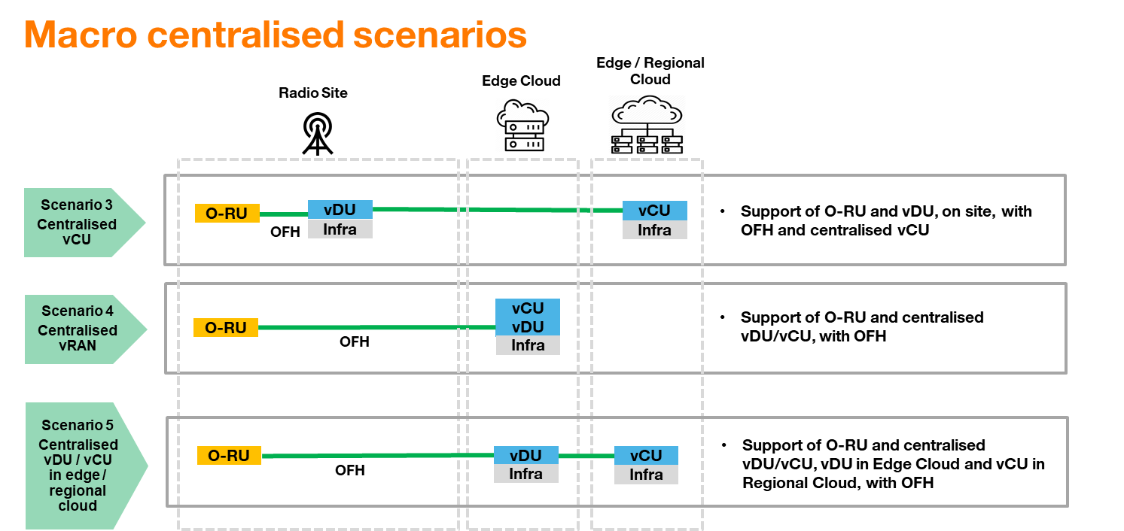

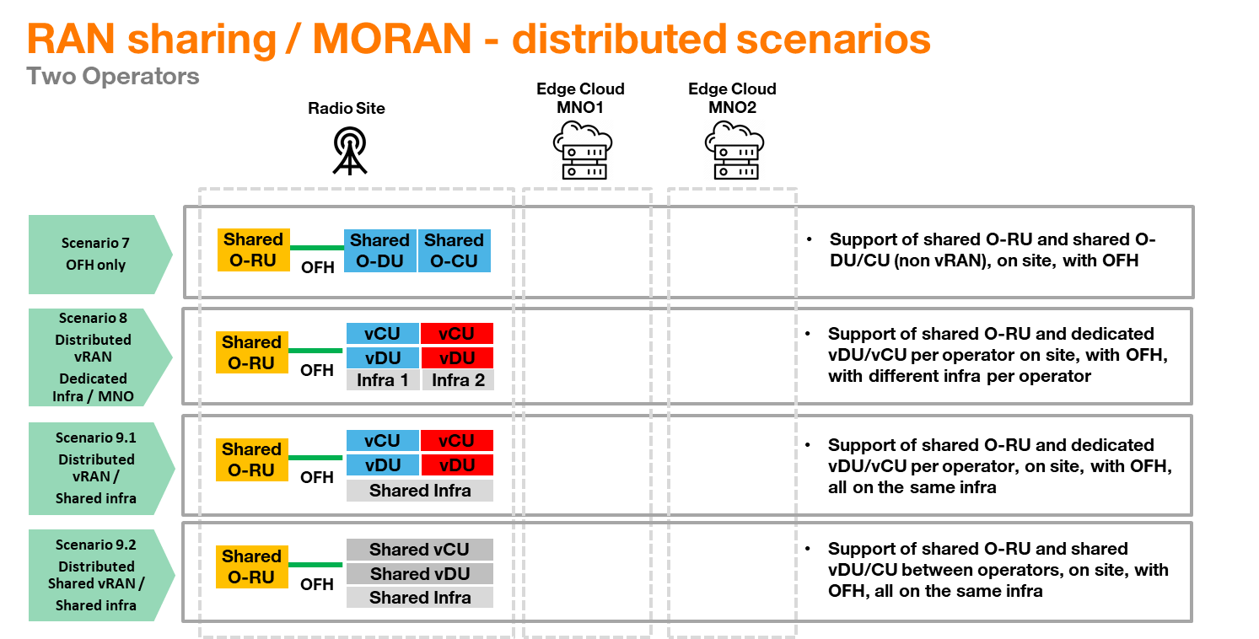

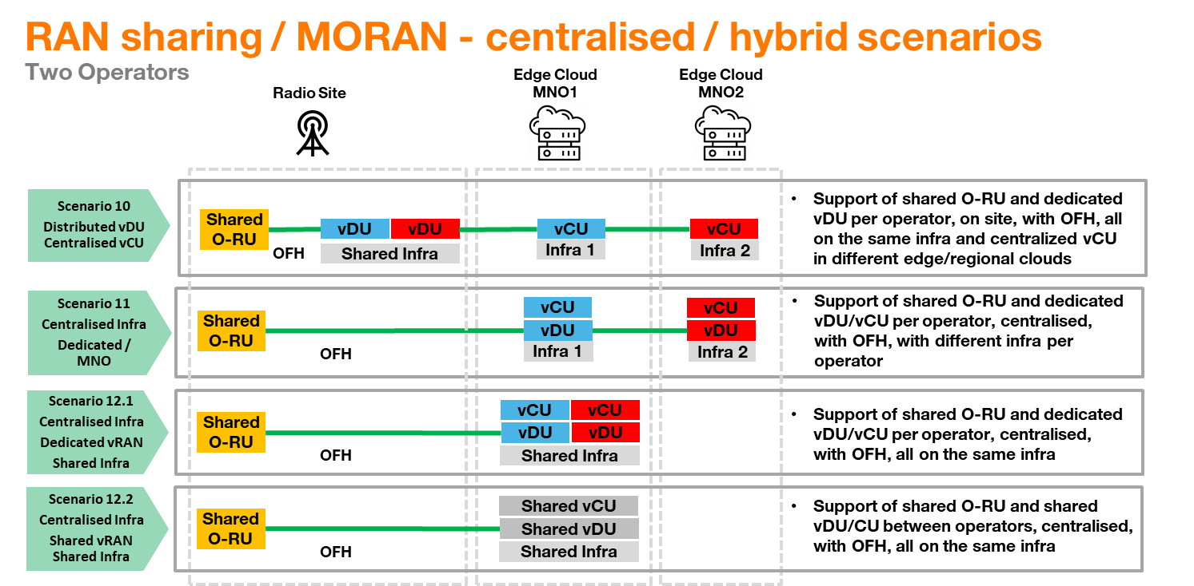

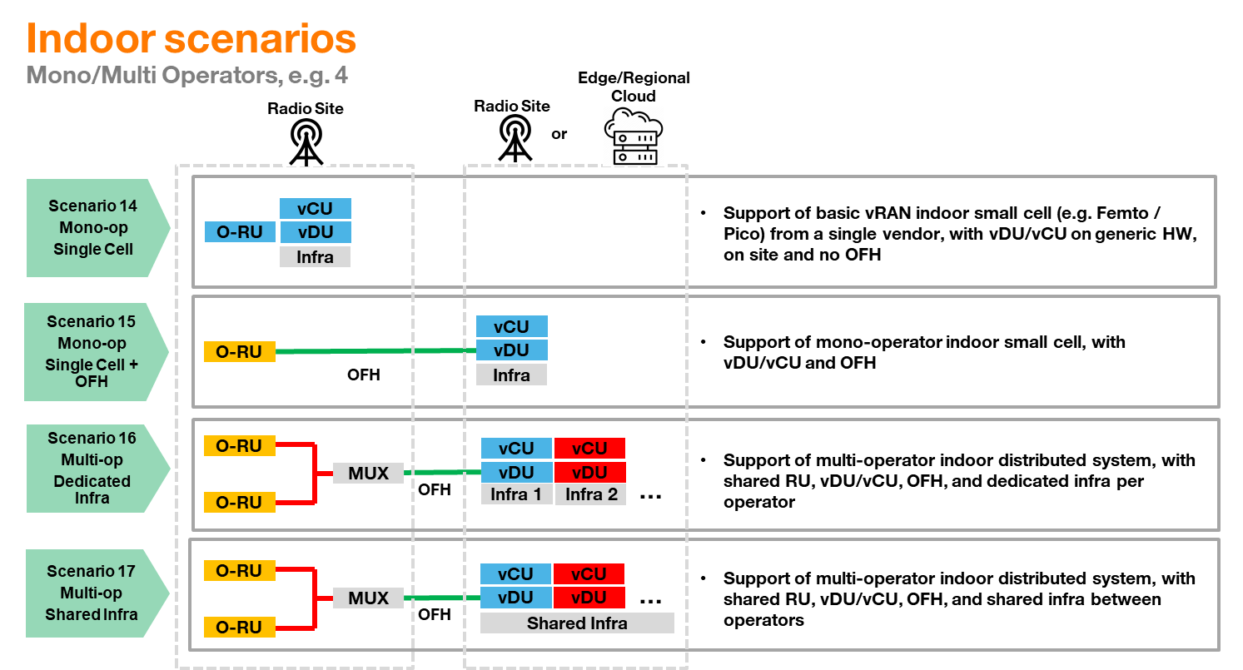

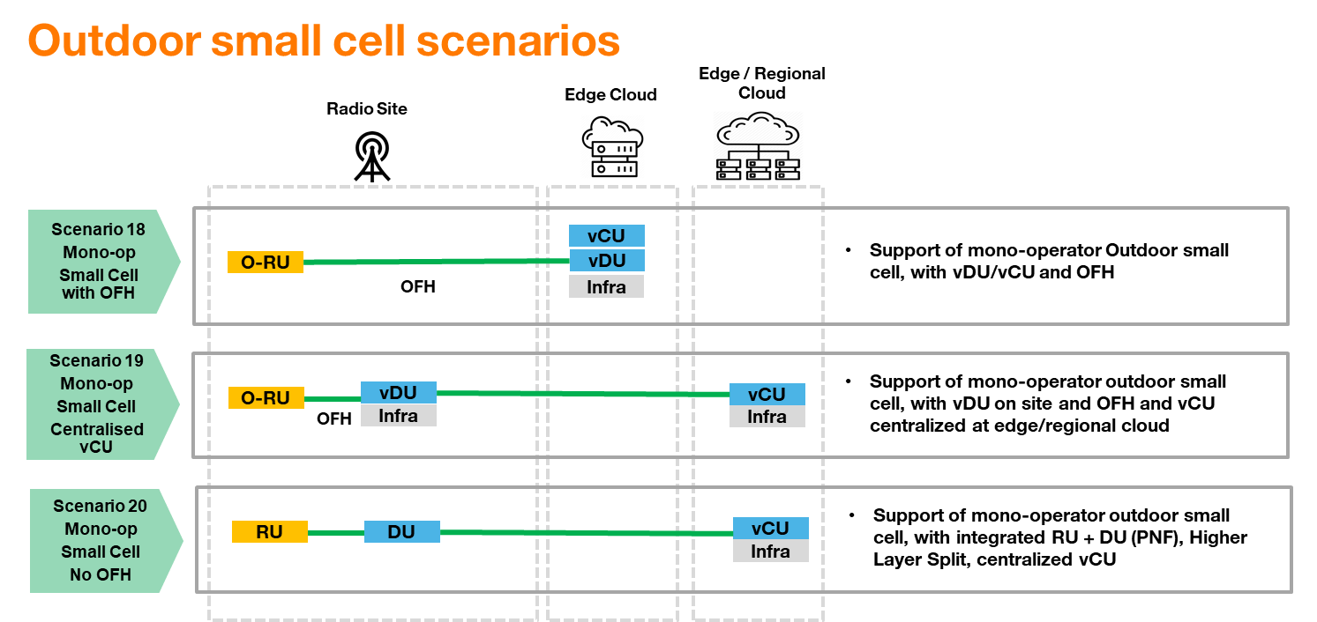

SMO Automation Framework
